Project 1
Product Reliability and RMA Analytics

1. Project Overview
Analyze field quality RMA data to assess product reliability, compare manufacturing cohort performance, identify failure trends, and monitor product performance throughout its lifecycle.
Tools: Excel, Power Query, Pivot Tables, Excel formulas.

2. Dashboard Overview

3. Business Questions
• What is the overall Return Material Authorization (RMA) rate in the field?
• Which manufacturing cohorts (based on production period) have the highest and lowest RMA rates?
• When do RMAs occur most frequently by month and work week?
• How does the cumulative RMA rate change as each quarterly manufacturing cohort ages?
• Which manufacturing cohorts and time periods exhibit the highest cumulative RMA rates?
• How do cumulative RMA rates vary across aging intervals for each manufacturing cohort?
• Which product categories contribute the most failures?
• What are the most common failure modes reported by customers?

4. Data Preparation
Step | Description
Data Sources | Combined two Field Quality RMA and manufacturing data sources into a single dataset using Power Query.
Data Cleaning | Used Power Query and Excel formulas to remove duplicates, correct data types, handle missing values, and clean and standardize text fields.
Text Extraction | Extracted serial numbers and other relevant information from semi-structured notes using Power Query and Excel formulas.
Data Standardization | Developed custom Spelling Correction and Failure Mapping tables to correct spelling variations, standardize inconsistent issue descriptions, and classify failures into standardized failure modes, categories, and failure types.
Data Integration | Merged and matched multiple datasets using Power Query to create a unified, analysis-ready dataset.
Output | Produced a clean, consistent, and structured dataset to support RMA trend analysis and interactive dashboard reporting.

5. Data Validation
Objective: Verify that the total number of RMA records in the dashboard matches the cleaned dataset.
Validation: Compared the total RMA count from the cleaned Power Query output with the Pivot Table summary and dashboard KPI.
Result: All totals matched, confirming that no records were lost or duplicated during data preparation.
Steps:
1. Apply dashboard filters
2. Verify dashboard result (38 RMAs)
3. Apply the same filters to the source dataset
4. Confirm source record count = 38
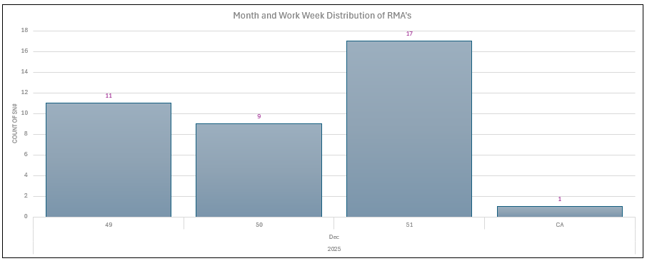
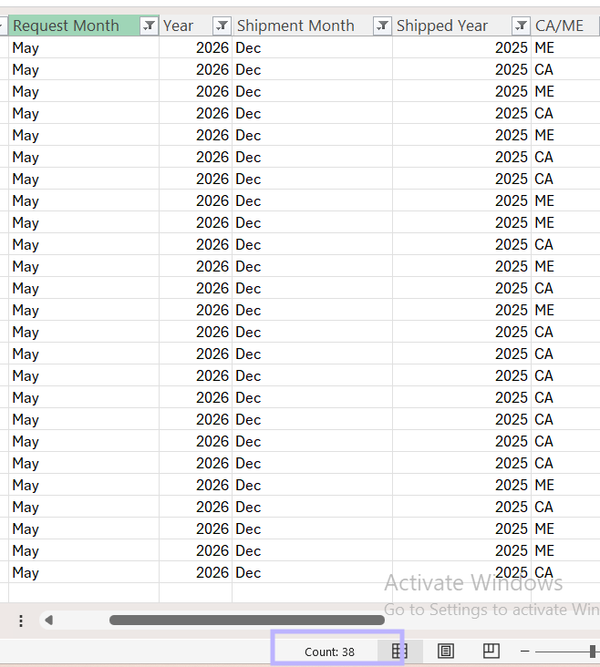
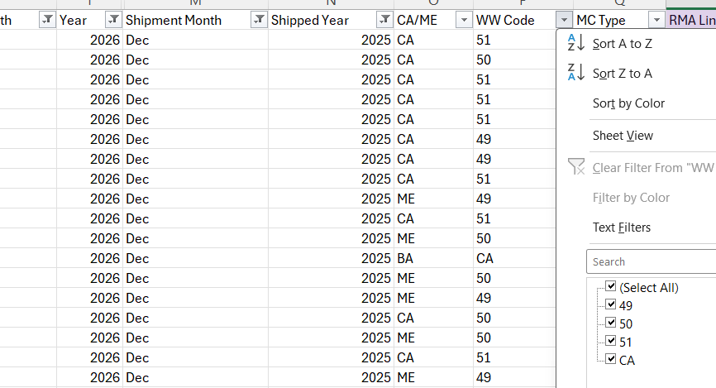
Total Count of SN#: 38

6. Dashboard & Analysis
Chart | Question | Focus
Field Quality RMA Rate | What is the overall Return Material Authorization (RMA) rate in the field? | Overall field quality performance.
Manufacturing Cohort RMA Rate | Which manufacturing cohorts (based on production period) have the highest and lowest RMA rates? | Compare product quality across manufacturing periods.
Month and Work Week Distribution of RMA's | When do RMAs occur most frequently by month and work week? | Identify temporal patterns and recurring peaks in RMAs.
Cummulative Quarterly Performance Per Manufacturing Cohort (Accumulated RMA Count over Actual Delivered Units) | How does each manufacturing cohort's cumulative RMA rate change over successive quarters? | Emphasizes the trend over time for each quarterly cohort.
Cumulative Manufacturing Cohort Heatmap | Which manufacturing cohorts and time periods exhibit the highest cumulative RMA rates? | Quickly identify high-risk manufacturing periods.
Cumulative RMA Failure Rate by Manufacturing Cohort and Aging Interval | How do failure rates evolve as products age for each manufacturing cohort? | Emphasizes which aging intervals contribute the most to cumulative failures.
Top 10 Failure Categories by Total Failures | Which product categories contribute the most failures? | Highlights the modules or systems (e.g., Kneader, Press, Vertical Tray, Connectivity) responsible for the largest share of RMAs, helping prioritize reliability improvement efforts and engineering resources.
Top 10 Failure Modes by Total Failures | What are the most common failure modes reported by customers? | Identifies the specific defects causing the highest number of failures, enabling targeted root cause investigations, corrective actions, and design improvements.

7. Key Findings
Question | Dashboard Visual |  | Conclusion
What is the overall Return Material Authorization (RMA) rate in the field? | 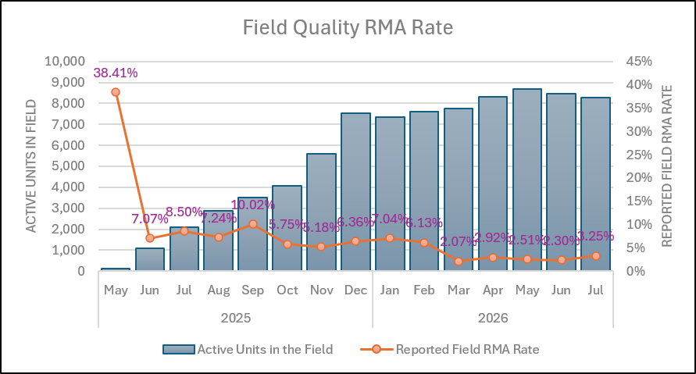 |  | The reported field RMA rate stabilized at approximately 1–3% while active units in the field (cumulative deliveries minus previous RMAs) continued to increase, indicating improved product reliability as the installed base grew.
Which manufacturing cohorts (based on production period) have the highest and lowest RMA rates? | 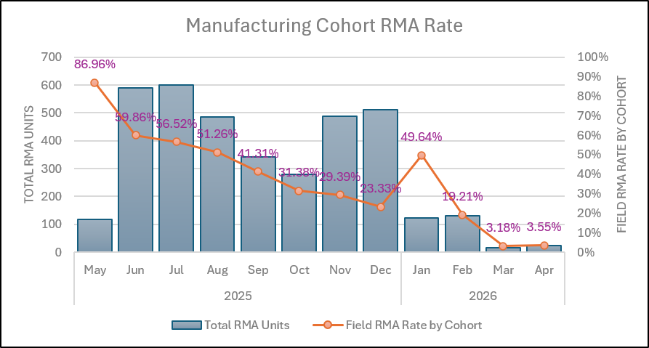 |  | The manufacturing cohort RMA rate generally decreased across newer shipment cohorts, with a temporary increase in January 2026. . However, RMA rates from March 2026 onward may be understated due to limited Customer Support (CS) operations, which reduced RMA reporting.
When do RMAs occur most frequently by month and work week? | 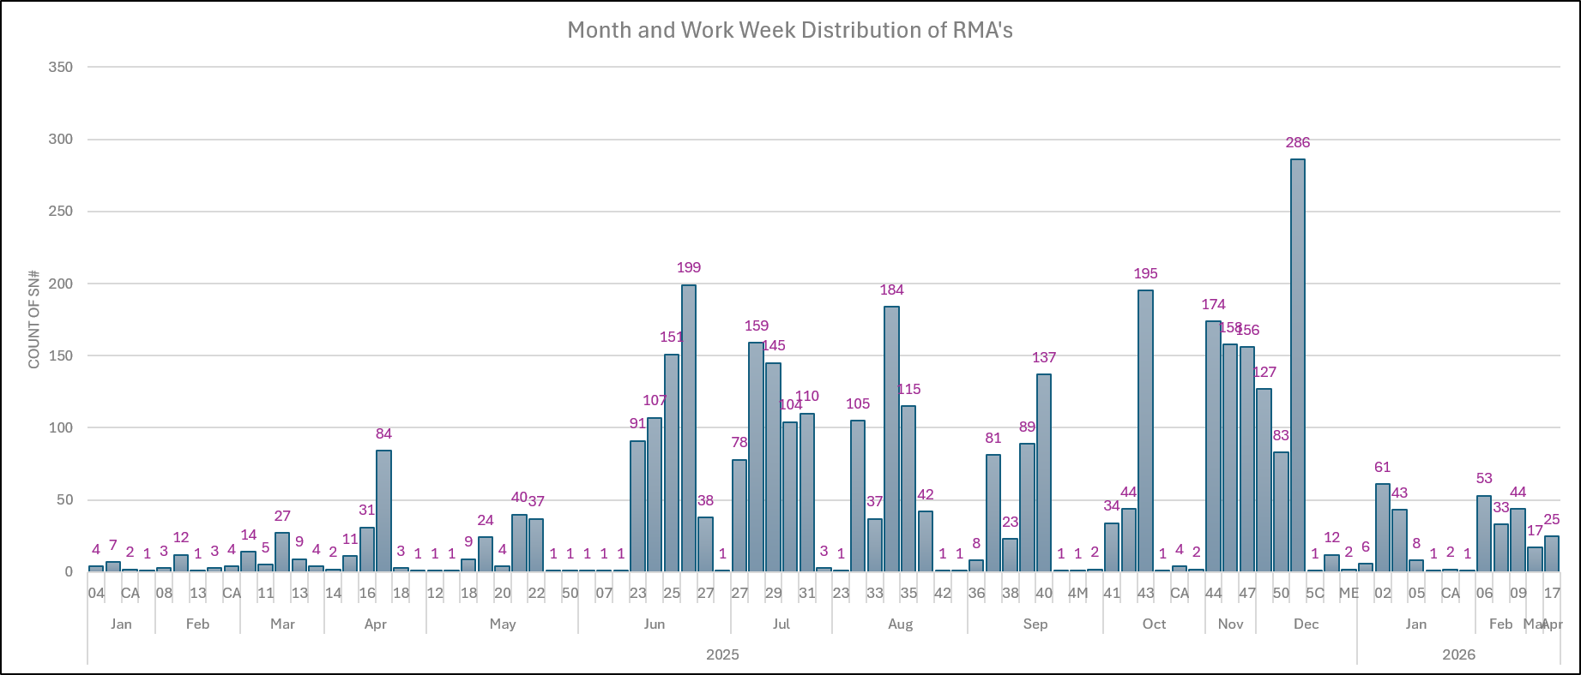 |  | RMAs occurred most frequently between June and December 2025, with the highest volumes recorded during Work Week 51, indicating that failures were concentrated in the latter half of 2025.
How does the cumulative RMA rate change as each quarterly manufacturing cohort ages? | 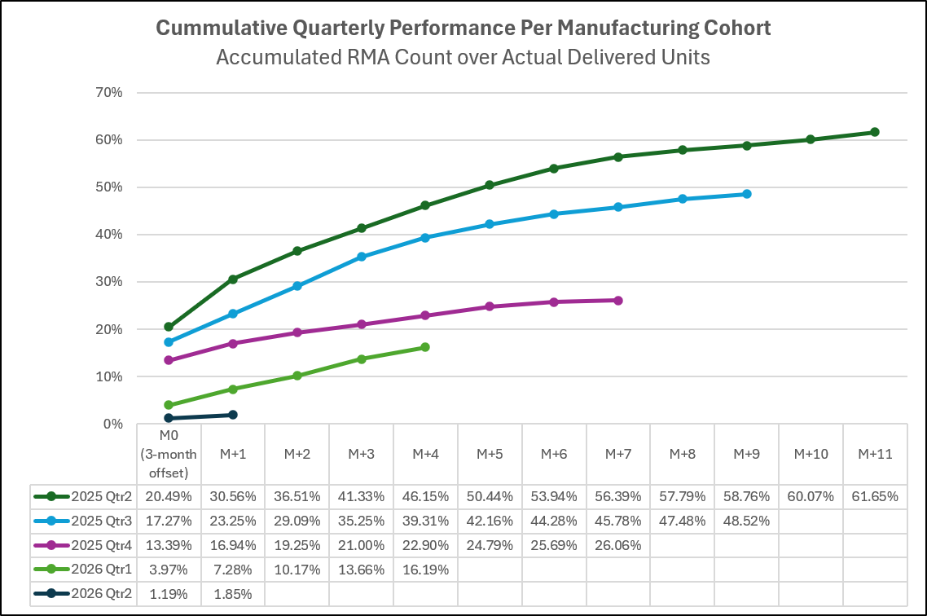 |  | The cumulative RMA rate increased as each quarterly manufacturing cohort aged, with the rate of increase gradually slowing over time, indicating that failures accumulated as products remained longer in the field.
Which manufacturing cohorts and time periods exhibit the highest cumulative RMA rates? |  |  | The May and June 2025 manufacturing cohorts exhibit the highest cumulative RMA rates, reaching approximately 15% by July 2026. In general, cumulative RMA rates increase with field age, with older cohorts showing higher values than newer cohorts.
How do cumulative RMA rates vary across aging intervals for each manufacturing cohort? | 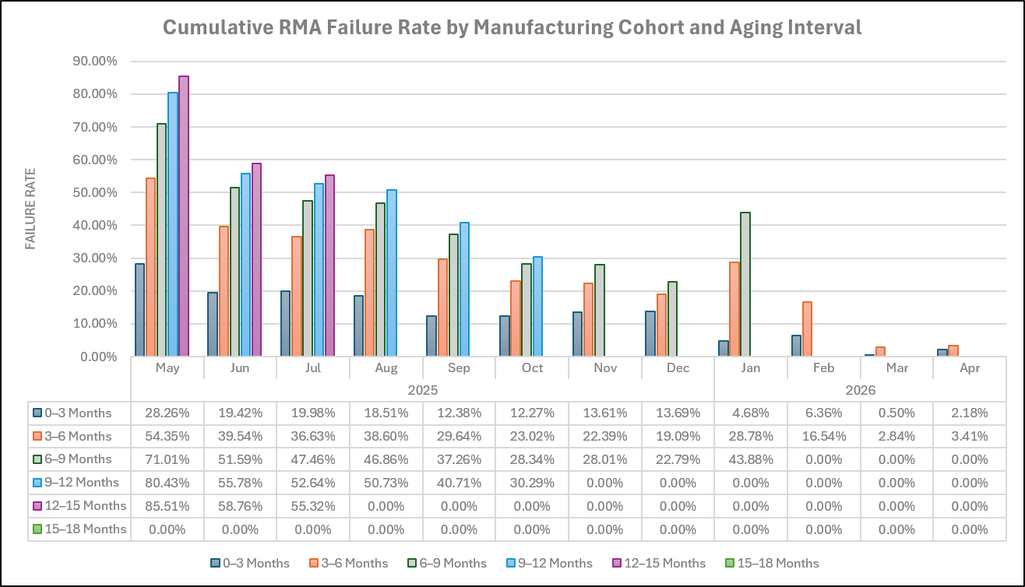 |  | Cumulative RMA rates increased across successive aging intervals for all manufacturing cohorts, with the highest cumulative failure rates generally observed after 9–15 months in the field, indicating that failures continue to accumulate as products age.
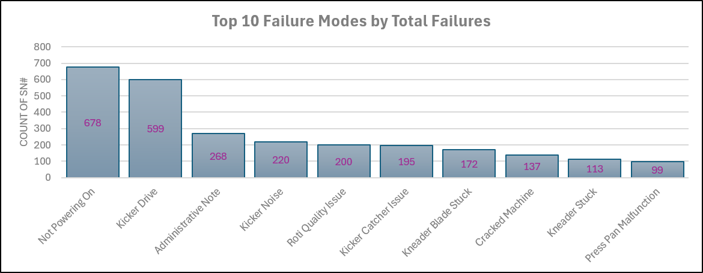
Which product categories contribute the most failures? | 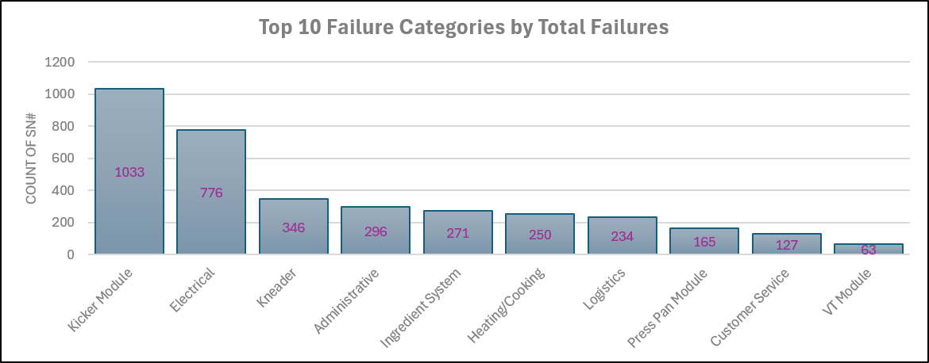 |  | The Kicker Module is the largest contributor to total failures, followed by Electrical and Kneader issues. These categories account for most RMAs, highlighting them as the highest-priority areas for reliability and quality improvement.
What are the most common failure modes reported by customers? |  |  | Not Powering On and Kicker Drive are the most common failure modes, significantly exceeding all others. Prioritizing improvements in these failure modes would have the greatest impact on reducing overall RMA cases.
Interactive Analysis: January 2026 Cohort RMA Increase | 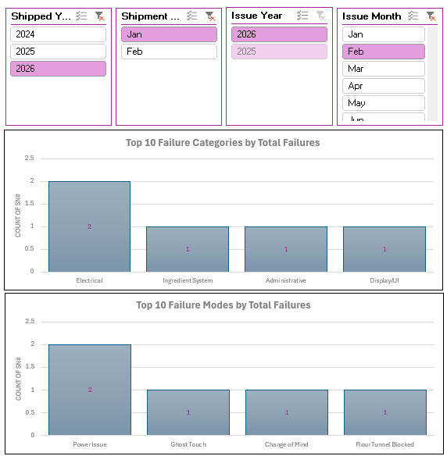 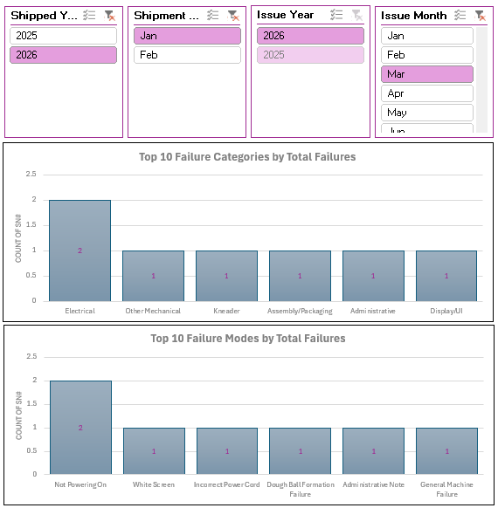 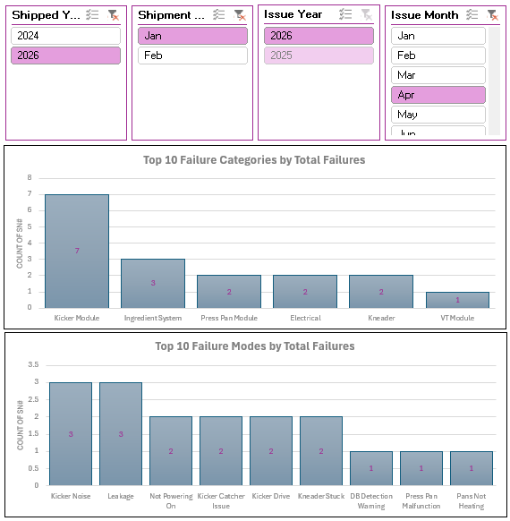 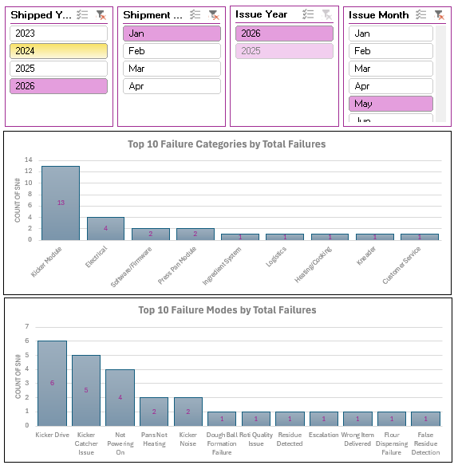 |  | Cross-filtering revealed that the increase in cumulative RMA rates for the January 2026 manufacturing cohort beginning in April 2026 coincided with a sharp increase in Kicker Module failures. Prior to April 2026, no Kicker Drive RMAs were recorded for this cohort, suggesting that this failure mode was a major contributor to the observed rise in cumulative RMA rates.

Interactive Analysis: Week 51 RMA Spike | 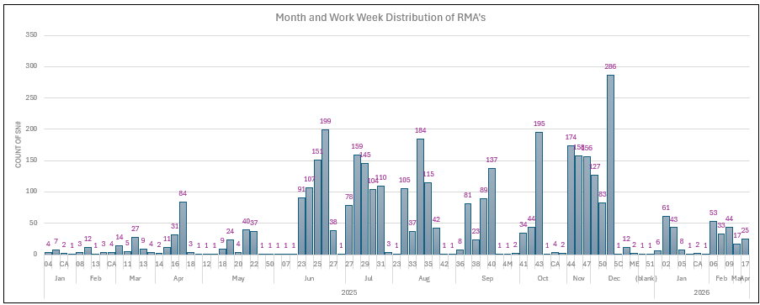 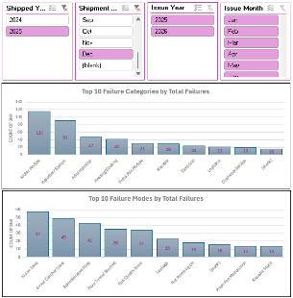 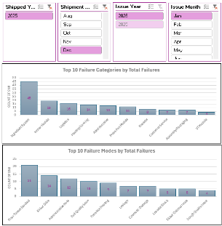 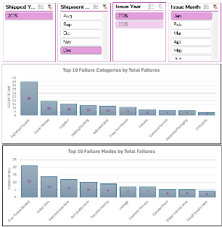 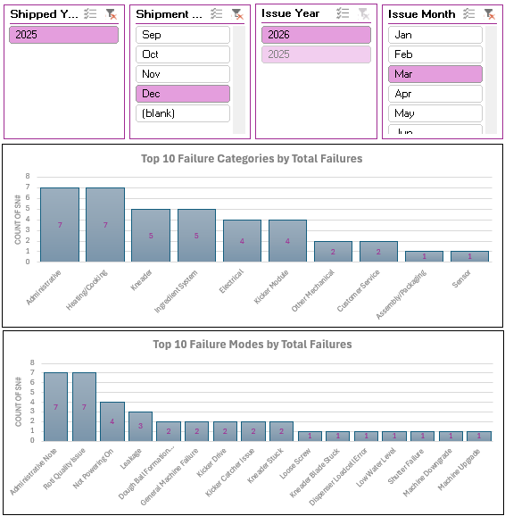 |  | The highest RMA volume occurred during Work Week 51. Interactive filtering showed that Flour Tunnel Block was the dominant failure mode for the earliest manufacturing cohorts during this period. However, this failure mode was not consistently observed in later cohorts, suggesting it was a cohort-specific issue rather than a persistent reliability trend.

8. Recommendations
Recommendation | Rationale
Improve failure mode data quality by ensuring all RMAs are assigned accurate failure modes instead of administrative notes. | A growing number of administrative records reduces the accuracy of failure trend and root cause analysis.
Prioritize corrective actions for Kicker Module, Electrical, and Kneader-related issues. | These categories account for the highest number of reported failures and offer the greatest opportunity to reduce RMAs.
Investigate the emergence of Kicker Module failures in the January 2026 manufacturing cohort. | Interactive analysis identified Kicker Module as the primary contributor to the increase in cumulative RMA rates beginning in April 2026.
Review the root cause of Flour Tunnel Block failures in the earliest manufacturing cohorts. | Although not observed consistently in later cohorts, this failure mode was the main contributor to the Work Week 51 RMA spike.
Continue monitoring cumulative RMA rates by manufacturing cohort. | Cohort analysis enables early detection of reliability issues and measures the effectiveness of manufacturing improvements over time.
Validate lower RMA rates from March 2026 onward against Customer Support reporting capacity. | Reduced CS operations may have led to underreported RMAs, affecting trend interpretation.

9. Skills Demonstrated
Skill Area | Tool / Technique
Data Cleaning | Power Query
 | Excel Formulas
Data Transformation | Power Query M
 | Custom Transformations
 | Text Extraction
Data Integration | Merge Queries
 | Lookup Table Matching
 | Query Joins
Data Standardization | Failure Mapping
 | Spelling Correction
 | Data Mapping
Data Validation | Source-to-Dashboard Reconciliation
 | Pivot Table Validation
 | Cross-Check of Calculated Metrics
 | Dashboard Consistency Verification
Data Analysis | Failure Frequency Analysis
 | Top N Analysis
 | Rma Rate Analysis
 | Manufacturing Cohort Analysis
 | Aging Failure Analysis
 | Cumulative Failure Rate Analysis
 | Monthly Trend Analysis
 | Product Lifecycle Analysis
 | Comparative Performance Analysis
 | Interactive Analysis
Data Visualization | Interactive Dashboard
 | Pivot Charts
 | Combination Charts
 | Heatmaps
 | Slicers
 | Conditional Formatting

